Test case template
Център за обучение по софтуерно тестване Website: http://skillo-bg.com

Bug ID | PSB001
Name | Banners lead to unrelevant page
Priority | P1
Severity | S1
Description | When clicking on a banner with a product the links leads to another website https://www.prestashop.com/en?utm_source=v16_homeslider. The banner should lead to the relevant product or product category
Steps to reproduce | 1. Open browser and in the adress bar type http://automationpractice.com/index.php 2. Click on any homepage banner Expected result: The banner should lead to the relevant product ot product category Actual result: The banner leads to a different website - ALL banners lead to the same website
Attachment | 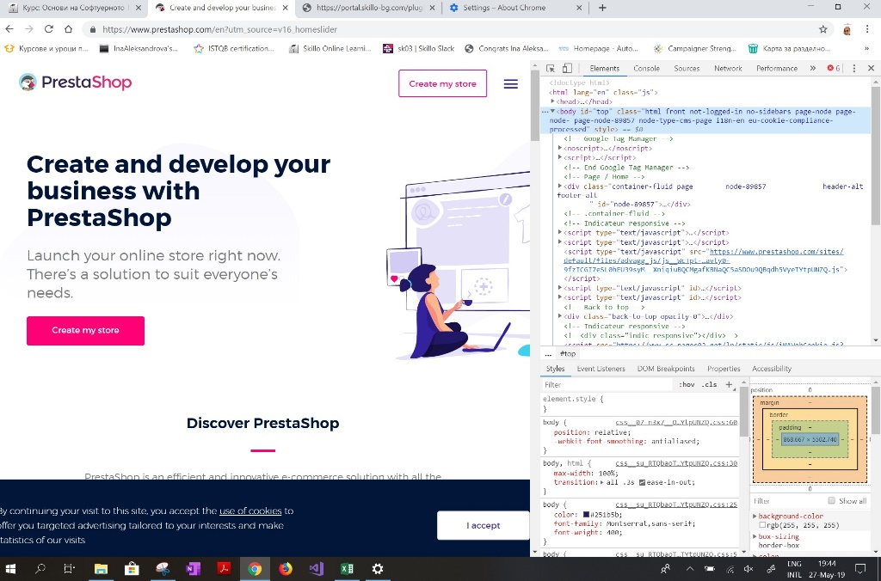
Status | Opened
Component | Homepage -> Banners with products on homepage
Version/Build number (Found in) | N/a
Environment | Browser: Chrome; Version 74.0.3729.169 (Official Build) (64-bit)
Comments | N/a
Date Created | 27.05.2019
Author | ina.aleksandrova
Audit Log | Lastest sate log: 27.05.2019 19:14h (UTC +2)
Bug ID | PSB002
Name | The search in the search bar shows unrelevant products
Priority | P4
Severity | S4
Description | When seraching (for example 'dresses') the results of the search show also other products (in this case - blouse)
Steps to reproduce | 1. Open browser and in the adress bar type http://automationpractice.com/index.php 2. Type in the search bar 'Dress' Expected result: The search results show only dresses Actual result: The search results show dress and a blouse
Attachment | 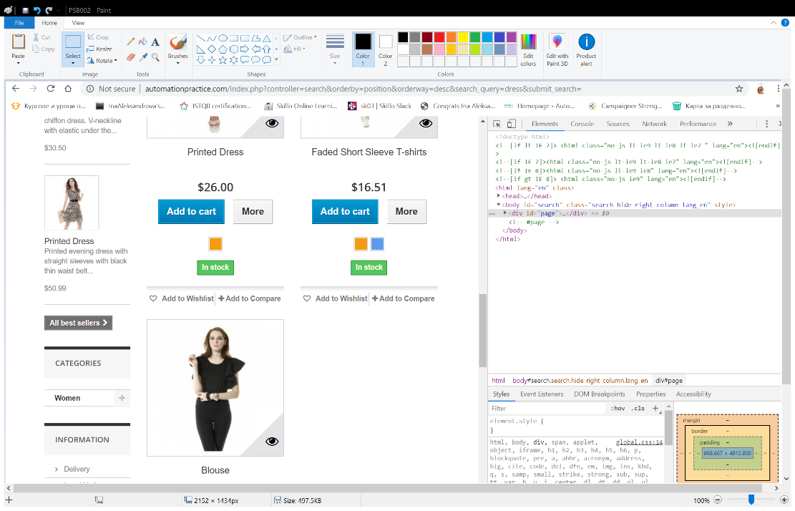
Status | Opened
Component | Homepage -> Banners with products on homepage
Version/Build number (Found in) | N/a
Environment | Browser: Chrome; Version 74.0.3729.169 (Official Build) (64-bit)
Comments | N/a
Date Created | 27.05.2019
Author | ina.aleksandrova
Audit Log | Lastest sate log: 27.05.2019 19:14h (UTC +2)
Bug ID | PSB003
Name | Button "Follows us on Facebook" does not work
Priority | P3
Severity | S2
Description | On the homepage the button "Follow us on Facebook" leads nowhere
Steps to reproduce | 1. Open browser and in the adress bar type http://automationpractice.com/index.php 2. Scroll down to the bottom of the homepage 3. Look for the "Follow us on Facebook" button Expected result: Clicking on the button leads to Facebook company page of the website Actual result: The button is inactive and when clicking on it nothing happens
Attachment | 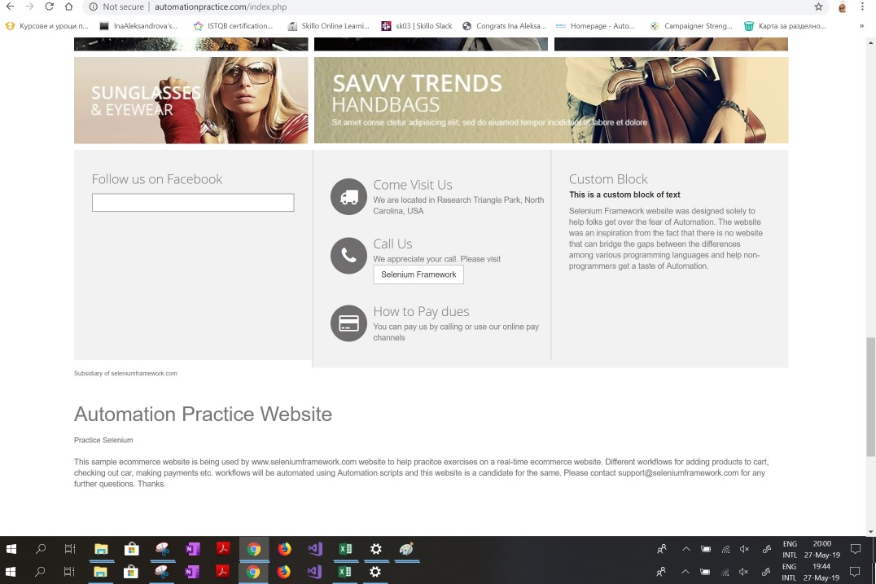
Status | Opened
Component | Social media links
Version/Build number (Found in) | N/a
Environment | Browser: Chrome; Version 74.0.3729.169 (Official Build) (64-bit)
Comments | N/a
Date Created | 27.05.2019
Author | ina.aleksandrova
Audit Log | Lastest sate log: 27.05.2019 19:14h (UTC +2)

